Attaching a Photo
If you need help, please refer to the following procedure for attaching a digital graphic image to an excel sheet.
１．Copy image to clipboard.
（The following is the procedure for copying a digital graphic image in Internet Explorer.）

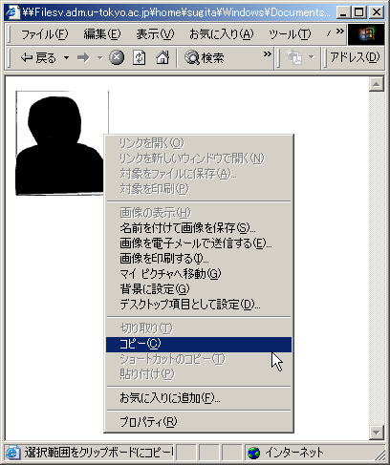

２．Left click once in the Box for Attaching Photo of Sheet No.1, and then right click and select Paste Special from the menu.

Right Click

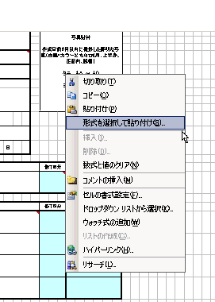

３．Select BITMAP from the Paste Special Dialog Box and then click ＯＫ.

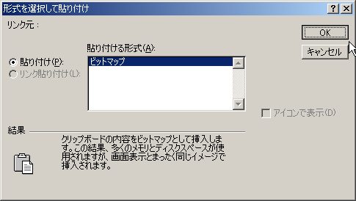

４．You should see your picture inserted in the form. Please adjust the size and position of the picture to fit the box.

